Comparison Data
Incident reason | Q1 | Q2 | Q3 | Q4 | Average
 |  |  |  |  |  | Comments
Observations | 401 | 207 |  |  | 304 | CCTV operators reporting incidents / requests made for observations
Council | 399 | 191 |  |  | 295 | Council service requests - inc. out of hours service, location checks, direct calls, barriers, car parks, major incidents
Incident reason by quarter
 | Q1 | Q2 | Q3 | Q4
Observations | 401 | 207
Council | 399 | 191
Media Review | 54 | 42
Media Release | 61 | 38
ASB | 41 | 17
Drug/Alcohol | 30 | 19
Traffic | 17 | 7
Theft | 24 | 18
Violence | 31 | 17
Other | 19 | 18
Breach | 0 | 0
Damage | 1 | 2
Fraud | 1 | 1
Arson | 1 | 0
Sexual | 2 | 2
Media Review | 54 | 42 |  |  | 48 | Request for footage to be reviewed
Media Release | 61 | 38 |  |  | 49.5 | Evidence package released to enforcement service or third party
ASB | 41 | 17 |  |  | 29 | Anti-Social Behaviour
Drug/Alcohol | 30 | 19 |  |  | 24.5 | Related incidents
Traffic | 17 | 7 |  |  | 12 | Related incidents
Theft | 24 | 18 |  |  | 21 | Related incidents
Violence | 31 | 17 |  |  | 24 | Related incidents - inc. robbery, assualts, public order, affray
Other | 19 | 18 |  |  | 18.5 | Other incidents not within parameters
Breach | 0 | 0 |  |  | 0 | Breach of bail, prolific offenders
Damage | 1 | 2 |  |  | 1.5 | Related incidents
Fraud | 1 | 1 |  |  | 1 | Related incidents
Arson | 1 | 0 |  |  | 0.5 | Related incidents
Sexual | 2 | 2 |  |  | 2 | Related incidents
Total Evidence Provision
Total | 1082 | 579 | 0 | 0

Evidence provision - reviews and downloads |  |  |  |  | Total
Police | 100 | 65 |  |  | 165
Council/Other | 3 | 4 |  |  | 7
Insurance/3rd Party | 5 | 4 |  |  | 9

Incident totals per hour / per quarter
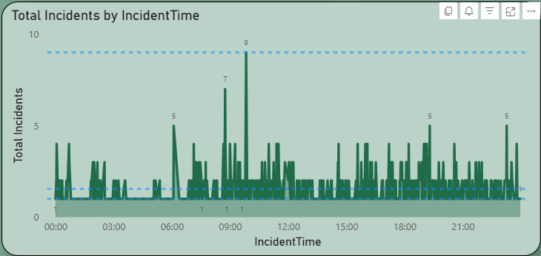
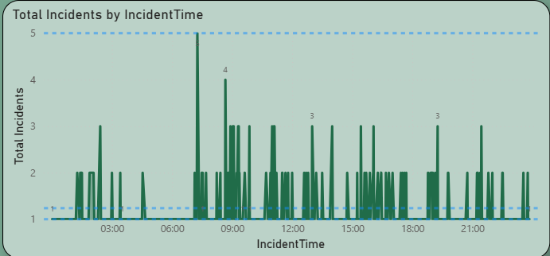

Q1
Q2
Q3
Q4

Incident totals per day
Incident totals per day / all quarters

Monday | 81
Tuesday | 62
Wednesday | 109
Thursday | 81
Friday | 73
Saturday | 92
Sunday | 78

Originator of incidents / all quarters
Originator of incidents / all quarters

Originator | Total | Comments
Camera observation | 217 | Identified by CCTV operator
CCTV | 49 | Captured by camera
Council staff / Cllr | 6
Email | 12
Fire Service | 0
Other | 2
Police (Other means) | 47
Police Airwave | 150 | Direct request through police radio
Radio Link | 37 | Direct request through pub/shop watch
Security guard | 0
Telephone | 59
Outcome of incidents per quarter
 | Q1 | Q2 | Q3 | Q4
Observations to continue | 256 | 210
Details Logged | 152 | 62
Police Updated | 90 | 54
No further action needed | 153 | 33
*OOH Dept to conclude | 54 | 23
Situation secure/OK | 36 | 10
left area | 23 | 37
Suspect in custody | 32 | 20
Search made, no trace | 28 | 0
No Problem Found | 25 | 0
Advised By Police | 0 | 20
None | 23 | 0
Outcome of incidents | Q1 | Q2 | Q3 | Q4

Observations to continue | 256 | 210
Details Logged | 152 | 62
Police Updated | 90 | 54
No further action needed | 153 | 33
*OOH Dept to conclude | 54 | 23
Situation secure/OK | 36 | 10
left area | 23 | 37
Suspect in custody | 32 | 20
Search made, no trace | 28 | 0
No Problem Found | 25 | 0
Advised By Police | 0 | 20
None | 23 | 0

* OOH (Out of Hours)

Incidents of note
Incidents of note - Macclesfield Quarter 2
* Note - incidents can only be shared where this does not hinder, undermine or jeopardise ongoing incidents or investigations.
Offensive Weapon
CCTV made aware of reports that a person is carrying an offensive weapon in the town (night time ecnomy). Description passed to CCTV who monitor all town centre cameras. Person soon located and radio messages to Police on live locations of said individual. CCTV guide in Police as this person tries to leg it but can't hide from a camera and Police catch up, person in custody.
Drunk Driver
Obs on person to car drunk. CCTV radio Police who start making. Vehicle details and locations in live time radioed through to responding officers. CCTV guide Police in who perform a stop and said person blew well in excess of 100 so arrested and taken to custody
Vulnerable Person
CCTV monitor person on floor, looks like drug equipment with them. They then start to get up and walk in the road. CCTV radio Police who make their way with Ambulance to the scene. Both soon on scene and person taken into the safety of the ambulance at first before Police realise person is actually wanted for other offenses so once treated, person is arrested and taken to custody
There were some deeper ones in quarter two including sexual offences etc that CCTV were the main instigator in but due to the sensitivity around these incidents, i have decided not to use them in the example incidents section for now.

Projects and News
Projects and News
Mobile CCTV
A permanent feature of this report will be the location of the mobile cameras within Macclesfield
Camera 1 - Underpass Park Lane
Camera 2 - Underpass Commercial Road / Silk Road
Wireless Mop Up
What we call the UTC System within Macclesfield which covers the outskirts (unfunded) was left until the last for the new digital upgrade due to the much higher complexity of how the 5 cameras are set up. Working with our partners in Highways, we have completed the base work on these and hope that over the next month or so, these cameras will rejoin the main system. If that is the case, then mobile camera 2 can be released back to the pool if members would like to consider possible locations for it?
Jobs
The service has been carrying two gaps for a number of weeks now during a period of recruitment. We spent time this month interviewing a small but impressive pool of applicants of which we have now selected two. They are both now undergoing Police Vetting to NPPV Level 2 (Full) standard after which they will start their basic training. Basic training for a CCTV Operator is intense but structured learning of the system first, the law, policies, procedures and then locations and known persons of interest. As part of this, we designed a training plan that includes periods of time walking the streets of the towns we cover as towns, rat runs and back alleys that connect from one camera to the next look very different in person than they do on a CCTV Camera so our staff put the miles in before they can take a seat in the Control Room. They will then go on to complete a BTEC Level 2 in CCTV Public Space Surveillance folllowed by a BTEC LEvel 3 advanced in CCTV Legisltaion to ensure we have the best operators providing our towns with safety and security around the clock.

